Sheet1
SKU | Qty | Weight(KG) | H(CM) | W(CM) | L(CM)
2683CN-BK | 44 | 16.2 | 52.5 | 28 | 67 |  | https://www.walmart.com/ip/WOSDOM-Pink-Leather-Office-Chair-F lip-Arms-Adjustable-Built-in-Lumbar-Support-Executive-Computer-Desk-Chair-Work-Chairs-Storage-Bags-Strong-Metal-Bas/5979404544
2683CN-LB | 50 | 16.2 | 52.5 | 28 | 67
2683CN-LG | 65 | 16.2 | 52.5 | 28 | 67
3114T-WBL | 164 | 13 | 20 | 48.5 | 63
3118B-DB | 265 | 14.03 | 21 | 48.5 | 63.5 | 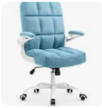 | https://www.amazon.com/-/es/escritorio-ajustable-ergon%C3%B3mica-computadora-giratoria/dp/B0BZCTNGZT
3118B-GRY | 128 | 14.03 | 21 | 48.5 | 63.5
3118T-BGE | 34 | 13.65 | 25 | 48.5 | 63.5
3118T-PK | 528 | 13.65 | 25 | 48.5 | 63.5
3118Z-LB | 50 | 13.65 | 25 | 48.5 | 63.5 |  | https://www.walmart.com/ip/Drevy-Desk-Chairs-with-Wheels-Beige-White-Office-Chairs-with-Armrest-Fabric-Office-Chair-for-Adjustable-Backward-Tilt/5234399700
3118Z-PK | 1 | 13.65 | 25 | 48.5 | 63.5 | 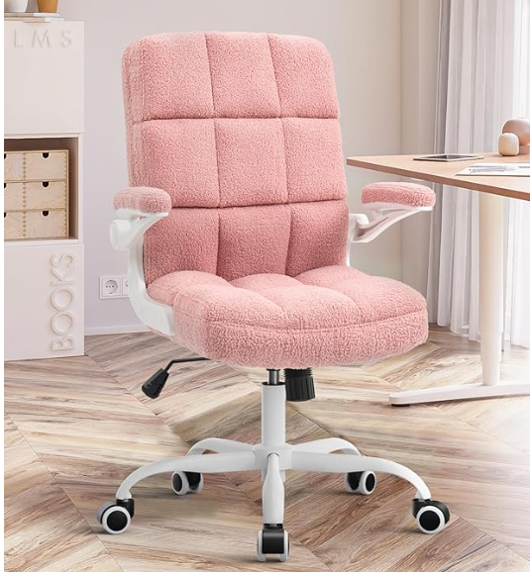
3118Z-YL | 151 | 13.65 | 25 | 48.5 | 63.5
7022-PK | 134 | 15.75 | 52.5 | 25 | 62.5 | 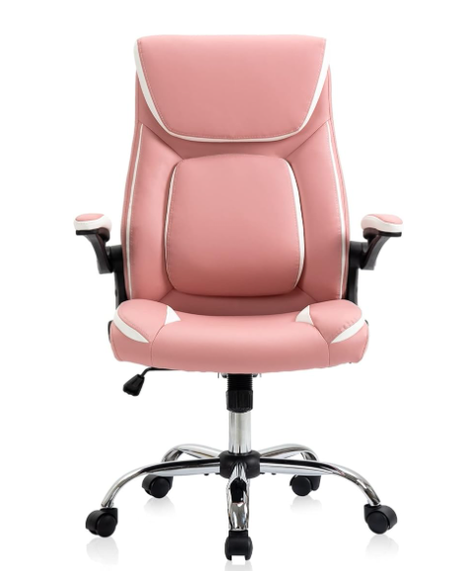 | https://www.amazon.com/ Desk-High-Computer-Wheels-Office/dp/B0D7LML5PD?th=1
7424C-BGE | 70 | 16.5 | 53.5 | 33 | 66 | 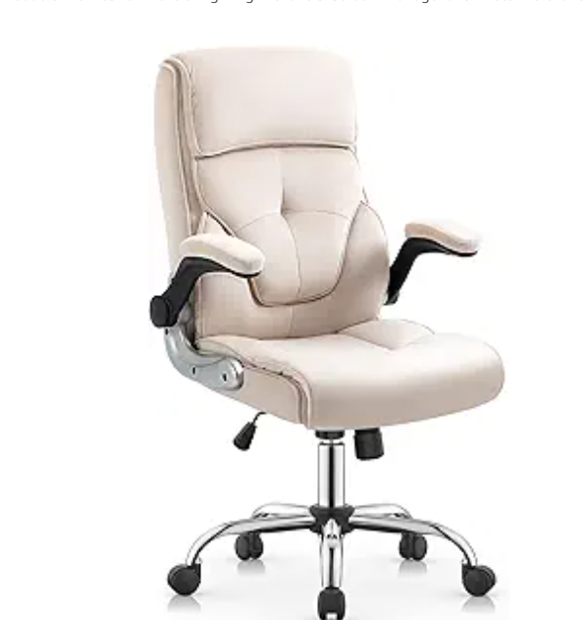 | https://www.amazon.com/-/es/escritorio-ejecutiva-ergon%C3%B3micas-computadora-abatibles/dp/B0CYLKG3H1
7424C-BK | 31 | 16.5 | 53.5 | 33 | 66
7424C-LB | 117 | 16.5 | 53.5 | 33 | 66
7424C-LG | 50 | 16.5 | 53.5 | 33 | 66
TOTAL | 1882

